Cover

Unilever
Global Land Use Choice (GLUC) model
Technical Documentation

2019-03-29

Instructions
This tab contains instructions describing how to run the GLUC model.

MATLAB Code (.m files)
This tab contains an inventory list of MATLAB scripts and functions created for the GLUC model.

MATLAB Data (.mat, .xlsx and .tif files)
This tab contains an inventory list of MATLAB data files used in the GLUC model.

MATLAB Variables
This tab contains an inventory list of MATLAB variables used in the GLUC model.

Data Inventory
This tab contains an inventory list of source data used by the model and describes the file folder organization structure.

Instructions
Step | Instructions | Screenshot
1 | Update the data_path.csv file with your local folder path. This will be user-specific. For example: 'C:\Users\iers2\PROJECTS\Unilever\GLUC_Model'
2 | Open the parameter.csv file and select the parameters you would like to use to run the model. Crop_name: Enter "1" for Maize and "2" for Sugarcane yield_penalty_percent_maize or sugarcane: (0,1) a percentage should be applied globally or enter "2" to use the region and agroecological zone specific yield penalty file max_cap_cost: a cost threshold for the intensification and expansion costs | 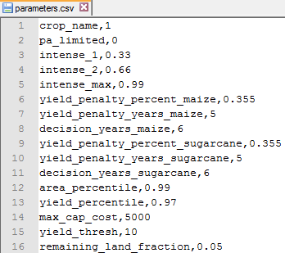
 | Open the marginal_demand.csv file to enter the yearly marginal demand for each year in the time period. If only a final demand value is available, divide this evenly among the years. | 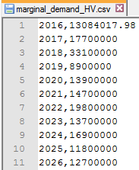
3 | You must have a current MATLAB license for version R2017b or later, with the Mapping and Optimization toolboxes to run the GLUC model. Open Unilever_GLUC_v10.mat and click the "Run" button to execute the model.
4 | All results will be stored in your local folder under "GLUC_Results_##_g#_year_####" where ## represents the unique run number based on the output_counter.csv file, g# represents the yield selection level, year_#### represents the selected year in the time period. A "GLUC_Results_##_g#_year_####" folder will be generated for each year in the time period.

